微生信示例数据330
group | category | value | 微生信，您身边的数据分析，可视化专家
Ge | Responsivity | 0.44 | https://www.bioinformatics.com.cn/basic_polar_error_bar_plot
Ge | Responsivity | 0.47
Ge | Responsivity | 0.41 | 示例1输出示例图
Ge | NEP | 6.8
Ge | NEP | 7.2
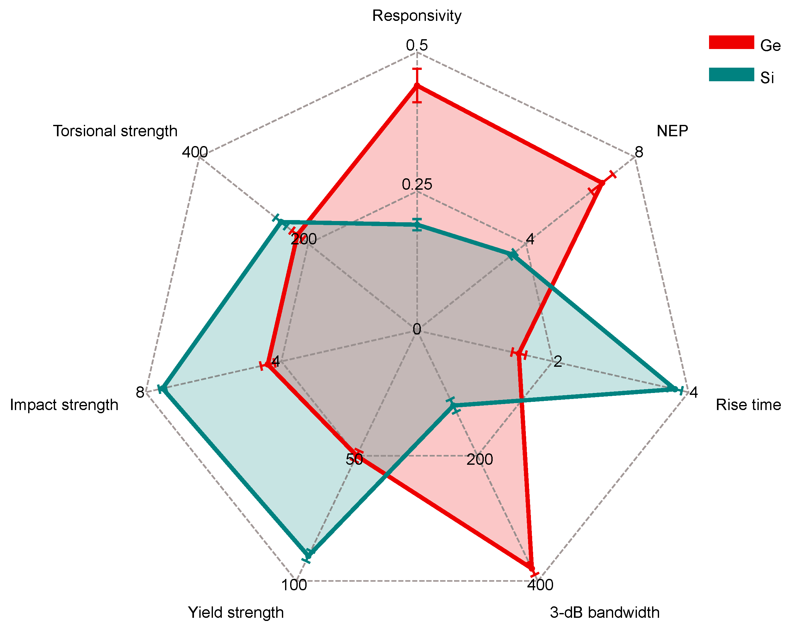
Ge | NEP | 6.4
Ge | Rise time | 1.4
Ge | Rise time | 1.6
Ge | Rise time | 1.5
Ge | 3-dB bandwidth | 370
Ge | 3-dB bandwidth | 390
Ge | 3-dB bandwidth | 380
Ge | Yield strength | 52
Ge | Yield strength | 48
Ge | Yield strength | 50
Ge | Impact strength | 4.2
Ge | Impact strength | 4.6
Ge | Impact strength | 4.4
Ge | Torsional strength | 210
Ge | Torsional strength | 230
Ge | Torsional strength | 220
Si | Responsivity | 0.18
Si | Responsivity | 0.2
Si | Responsivity | 0.19
Si | NEP | 3.6 | 注：
Si | NEP | 3.4
Si | NEP | 3.5
Si | Rise time | 3.7
Si | Rise time | 3.9
Si | Rise time | 3.8 | 使用问题，或数据分析合作意向
Si | 3-dB bandwidth | 110 | 请微信扫码联系我们

Si | 3-dB bandwidth | 130
Si | 3-dB bandwidth | 120
Si | Yield strength | 88
Si | Yield strength | 92
Si | Yield strength | 90
Si | Impact strength | 7.4
Si | Impact strength | 7.6
Si | Impact strength | 7.5
Si | Torsional strength | 240
Si | Torsional strength | 260
Si | Torsional strength | 250

