微生信示例335
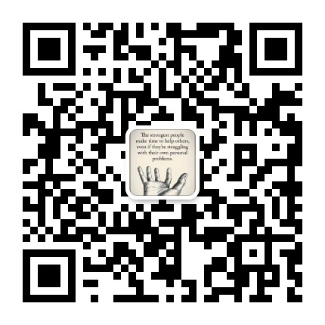
name | LIC | LMIC | UMIC | HIC | 微生信，您身边的数据分析，可视化专家
Liver cancer | 0.713 | 0.501 | 0.586 | 0.76 | https://www.bioinformatics.com.cn/multi_group_facet_bar_plot
Tracheal, bronchus, and lung cancer | 0.653 | 0.626 | 0.629 | 0.666
Pancreatic cancer | 0.586 | 0.617 | 0.602 | 0.592 | 输出示例图
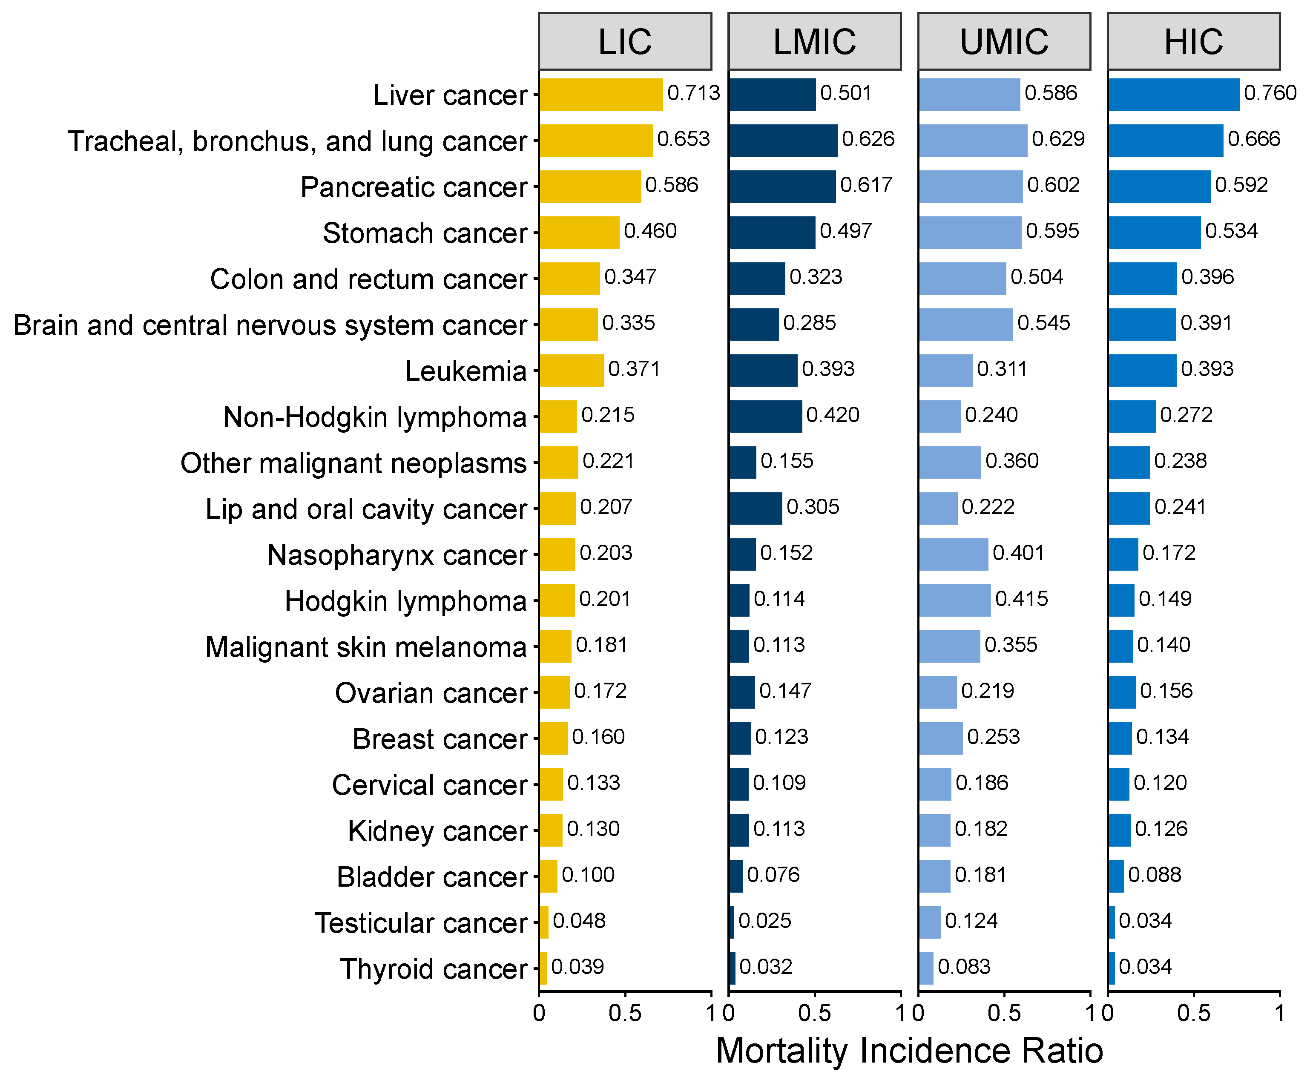
Stomach cancer | 0.46 | 0.497 | 0.595 | 0.534
Colon and rectum cancer | 0.347 | 0.323 | 0.504 | 0.396
Brain and central nervous system cancer | 0.335 | 0.285 | 0.545 | 0.391
Leukemia | 0.371 | 0.393 | 0.311 | 0.393
Non-Hodgkin lymphoma | 0.215 | 0.42 | 0.24 | 0.272
Other malignant neoplasms | 0.221 | 0.155 | 0.36 | 0.238
Lip and oral cavity cancer | 0.207 | 0.305 | 0.222 | 0.241
Nasopharynx cancer | 0.203 | 0.152 | 0.401 | 0.172
Hodgkin lymphoma | 0.201 | 0.114 | 0.415 | 0.149
Malignant skin melanoma | 0.181 | 0.113 | 0.355 | 0.14
Ovarian cancer | 0.172 | 0.147 | 0.219 | 0.156
Breast cancer | 0.16 | 0.123 | 0.253 | 0.134
Cervical cancer | 0.133 | 0.109 | 0.186 | 0.12
Kidney cancer | 0.13 | 0.113 | 0.182 | 0.126
Bladder cancer | 0.1 | 0.076 | 0.181 | 0.088
Testicular cancer | 0.048 | 0.025 | 0.124 | 0.034
Thyroid cancer | 0.039 | 0.032 | 0.083 | 0.034

 |  |  |  |  | 注意：

 |  |  |  |  | 使用问题，或数据分析合作意向
 |  |  |  |  | 请微信扫码联系我们

