微生信示例338
Gene | Group | 微生信，您身边的数据分析，可视化专家
BCL11B | Transcription factors and regulators | https://www.bioinformatics.com.cn/basic_treemap_with_names_plot
BRD3OS | Transcription factors and regulators
CDX1 | Transcription factors and regulators | 输出示例图
CEBPB | Transcription factors and regulators
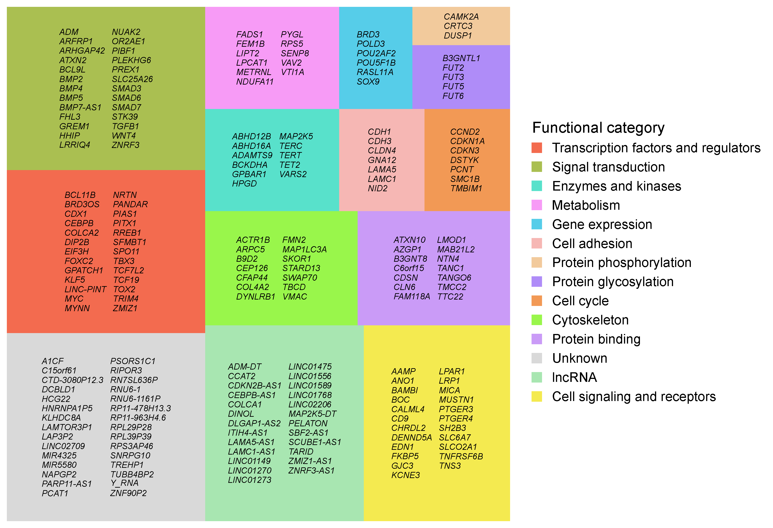
COLCA2 | Transcription factors and regulators
DIP2B | Transcription factors and regulators
EIF3H | Transcription factors and regulators
FOXC2 | Transcription factors and regulators
GPATCH1 | Transcription factors and regulators
KLF5 | Transcription factors and regulators
LINC-PINT | Transcription factors and regulators
MYC | Transcription factors and regulators
MYNN | Transcription factors and regulators
NRTN | Transcription factors and regulators
PANDAR | Transcription factors and regulators
PIAS1 | Transcription factors and regulators
PITX1 | Transcription factors and regulators
RREB1 | Transcription factors and regulators
SFMBT1 | Transcription factors and regulators
SPO11 | Transcription factors and regulators
TBX3 | Transcription factors and regulators
TCF19 | Transcription factors and regulators
TCF7L2 | Transcription factors and regulators
TOX2 | Transcription factors and regulators | 注意：
TRIM4 | Transcription factors and regulators
ZMIZ1 | Transcription factors and regulators
ADM | Signal transduction | 使用问题，或数据分析合作意向
ARFRP1 | Signal transduction | 请微信扫码联系我们

ARHGAP42 | Signal transduction
ATXN2 | Signal transduction
BCL9L | Signal transduction
BMP2 | Signal transduction
BMP4 | Signal transduction
BMP5 | Signal transduction
BMP7-AS1 | Signal transduction
FHL3 | Signal transduction
GREM1 | Signal transduction
HHIP | Signal transduction
LRRIQ4 | Signal transduction
NUAK2 | Signal transduction
OR2AE1 | Signal transduction
PIBF1 | Signal transduction
PLEKHG6 | Signal transduction
PREX1 | Signal transduction
SLC25A26 | Signal transduction
SMAD3 | Signal transduction
SMAD6 | Signal transduction
SMAD7 | Signal transduction
STK39 | Signal transduction
TGFB1 | Signal transduction
WNT4 | Signal transduction
ZNRF3 | Signal transduction
ABHD12B | Enzymes and kinases
ABHD16A | Enzymes and kinases
ADAMTS9 | Enzymes and kinases
BCKDHA | Enzymes and kinases
GPBAR1 | Enzymes and kinases
HPGD | Enzymes and kinases
MAP2K5 | Enzymes and kinases
TERC | Enzymes and kinases
TERT | Enzymes and kinases
TET2 | Enzymes and kinases
VARS2 | Enzymes and kinases
FADS1 | Metabolism
FEM1B | Metabolism
LIPT2 | Metabolism
LPCAT1 | Metabolism
METRNL | Metabolism
NDUFA11 | Metabolism
PYGL | Metabolism
RPS5 | Metabolism
SENP8 | Metabolism
VAV2 | Metabolism
VTI1A | Metabolism
BRD3 | Gene expression
POLD3 | Gene expression
POU2AF2 | Gene expression
POU5F1B | Gene expression
RASL11A | Gene expression
SOX9 | Gene expression
CDH1 | Cell adhesion
CDH3 | Cell adhesion
CLDN4 | Cell adhesion
GNA12 | Cell adhesion
LAMA5 | Cell adhesion
LAMC1 | Cell adhesion
NID2 | Cell adhesion
CAMK2A | Protein phosphorylation
CRTC3 | Protein phosphorylation
DUSP1 | Protein phosphorylation
B3GNTL1 | Protein glycosylation
FUT2 | Protein glycosylation
FUT3 | Protein glycosylation
FUT5 | Protein glycosylation
FUT6 | Protein glycosylation
CCND2 | Cell cycle
CDKN1A | Cell cycle
CDKN3 | Cell cycle
DSTYK | Cell cycle
PCNT | Cell cycle
SMC1B | Cell cycle
TMBIM1 | Cell cycle
ACTR1B | Cytoskeleton
ARPC5 | Cytoskeleton
B9D2 | Cytoskeleton
CEP126 | Cytoskeleton
CFAP44 | Cytoskeleton
COL4A2 | Cytoskeleton
DYNLRB1 | Cytoskeleton
FMN2 | Cytoskeleton
MAP1LC3A | Cytoskeleton
SKOR1 | Cytoskeleton
STARD13 | Cytoskeleton
SWAP70 | Cytoskeleton
TBCD | Cytoskeleton
VMAC | Cytoskeleton
ATXN10 | Protein binding
AZGP1 | Protein binding
B3GNT8 | Protein binding
C6orf15 | Protein binding
CDSN | Protein binding
CLN6 | Protein binding
FAM118A | Protein binding
LMOD1 | Protein binding
MAB21L2 | Protein binding
NTN4 | Protein binding
TANC1 | Protein binding
TANGO6 | Protein binding
TMCC2 | Protein binding
TTC22 | Protein binding
A1CF | Unknown
C15orf61 | Unknown
CTD-3080P12.3 | Unknown
DCBLD1 | Unknown
HCG22 | Unknown
HNRNPA1P5 | Unknown
KLHDC8A | Unknown
LAMTOR3P1 | Unknown
LAP3P2 | Unknown
LINC02709 | Unknown
MIR4325 | Unknown
MIR5580 | Unknown
NAPGP2 | Unknown
PARP11-AS1 | Unknown
PCAT1 | Unknown
PSORS1C1 | Unknown
RIPOR3 | Unknown
RN7SL636P | Unknown
RNU6-1 | Unknown
RNU6-1161P | Unknown
RP11-478H13.3 | Unknown
RP11-963H4.6 | Unknown
RPL29P28 | Unknown
RPL39P39 | Unknown
RPS3AP46 | Unknown
SNRPG10 | Unknown
TREHP1 | Unknown
TUBB4BP2 | Unknown
Y_RNA | Unknown
ZNF90P2 | Unknown
ADM-DT | lncRNA
CCAT2 | lncRNA
CDKN2B-AS1 | lncRNA
CEBPB-AS1 | lncRNA
COLCA1 | lncRNA
DINOL | lncRNA
DLGAP1-AS2 | lncRNA
ITIH4-AS1 | lncRNA
LAMA5-AS1 | lncRNA
LAMC1-AS1 | lncRNA
LINC01149 | lncRNA
LINC01270 | lncRNA
LINC01273 | lncRNA
LINC01475 | lncRNA
LINC01556 | lncRNA
LINC01589 | lncRNA
LINC01768 | lncRNA
LINC02206 | lncRNA
MAP2K5-DT | lncRNA
PELATON | lncRNA
SBF2-AS1 | lncRNA
SCUBE1-AS1 | lncRNA
TARID | lncRNA
ZMIZ1-AS1 | lncRNA
ZNRF3-AS1 | lncRNA
AAMP | Cell signaling and receptors
ANO1 | Cell signaling and receptors
BAMBI | Cell signaling and receptors
BOC | Cell signaling and receptors
CALML4 | Cell signaling and receptors
CD9 | Cell signaling and receptors
CHRDL2 | Cell signaling and receptors
DENND5A | Cell signaling and receptors
EDN1 | Cell signaling and receptors
FKBP5 | Cell signaling and receptors
GJC3 | Cell signaling and receptors
KCNE3 | Cell signaling and receptors
LPAR1 | Cell signaling and receptors
LRP1 | Cell signaling and receptors
MICA | Cell signaling and receptors
MUSTN1 | Cell signaling and receptors
PTGER3 | Cell signaling and receptors
PTGER4 | Cell signaling and receptors
SH2B3 | Cell signaling and receptors
SLC6A7 | Cell signaling and receptors
SLCO2A1 | Cell signaling and receptors
TNFRSF6B | Cell signaling and receptors
TNS3 | Cell signaling and receptors

