微生信示例341

name | pvalue | count | regulation | 微生信，您身边的数据分析，可视化专家
Flagellated sperm motility | 1.00E-24 | 34 | up | https://www.bioinformatics.com.cn/plot_basic_mirror_lollipop_plot
Fertilization | 3.00E-20 | 34 | up
Glutamate receptor signaling pathway | 2.00E-18 | 33 | up | 输出示例图
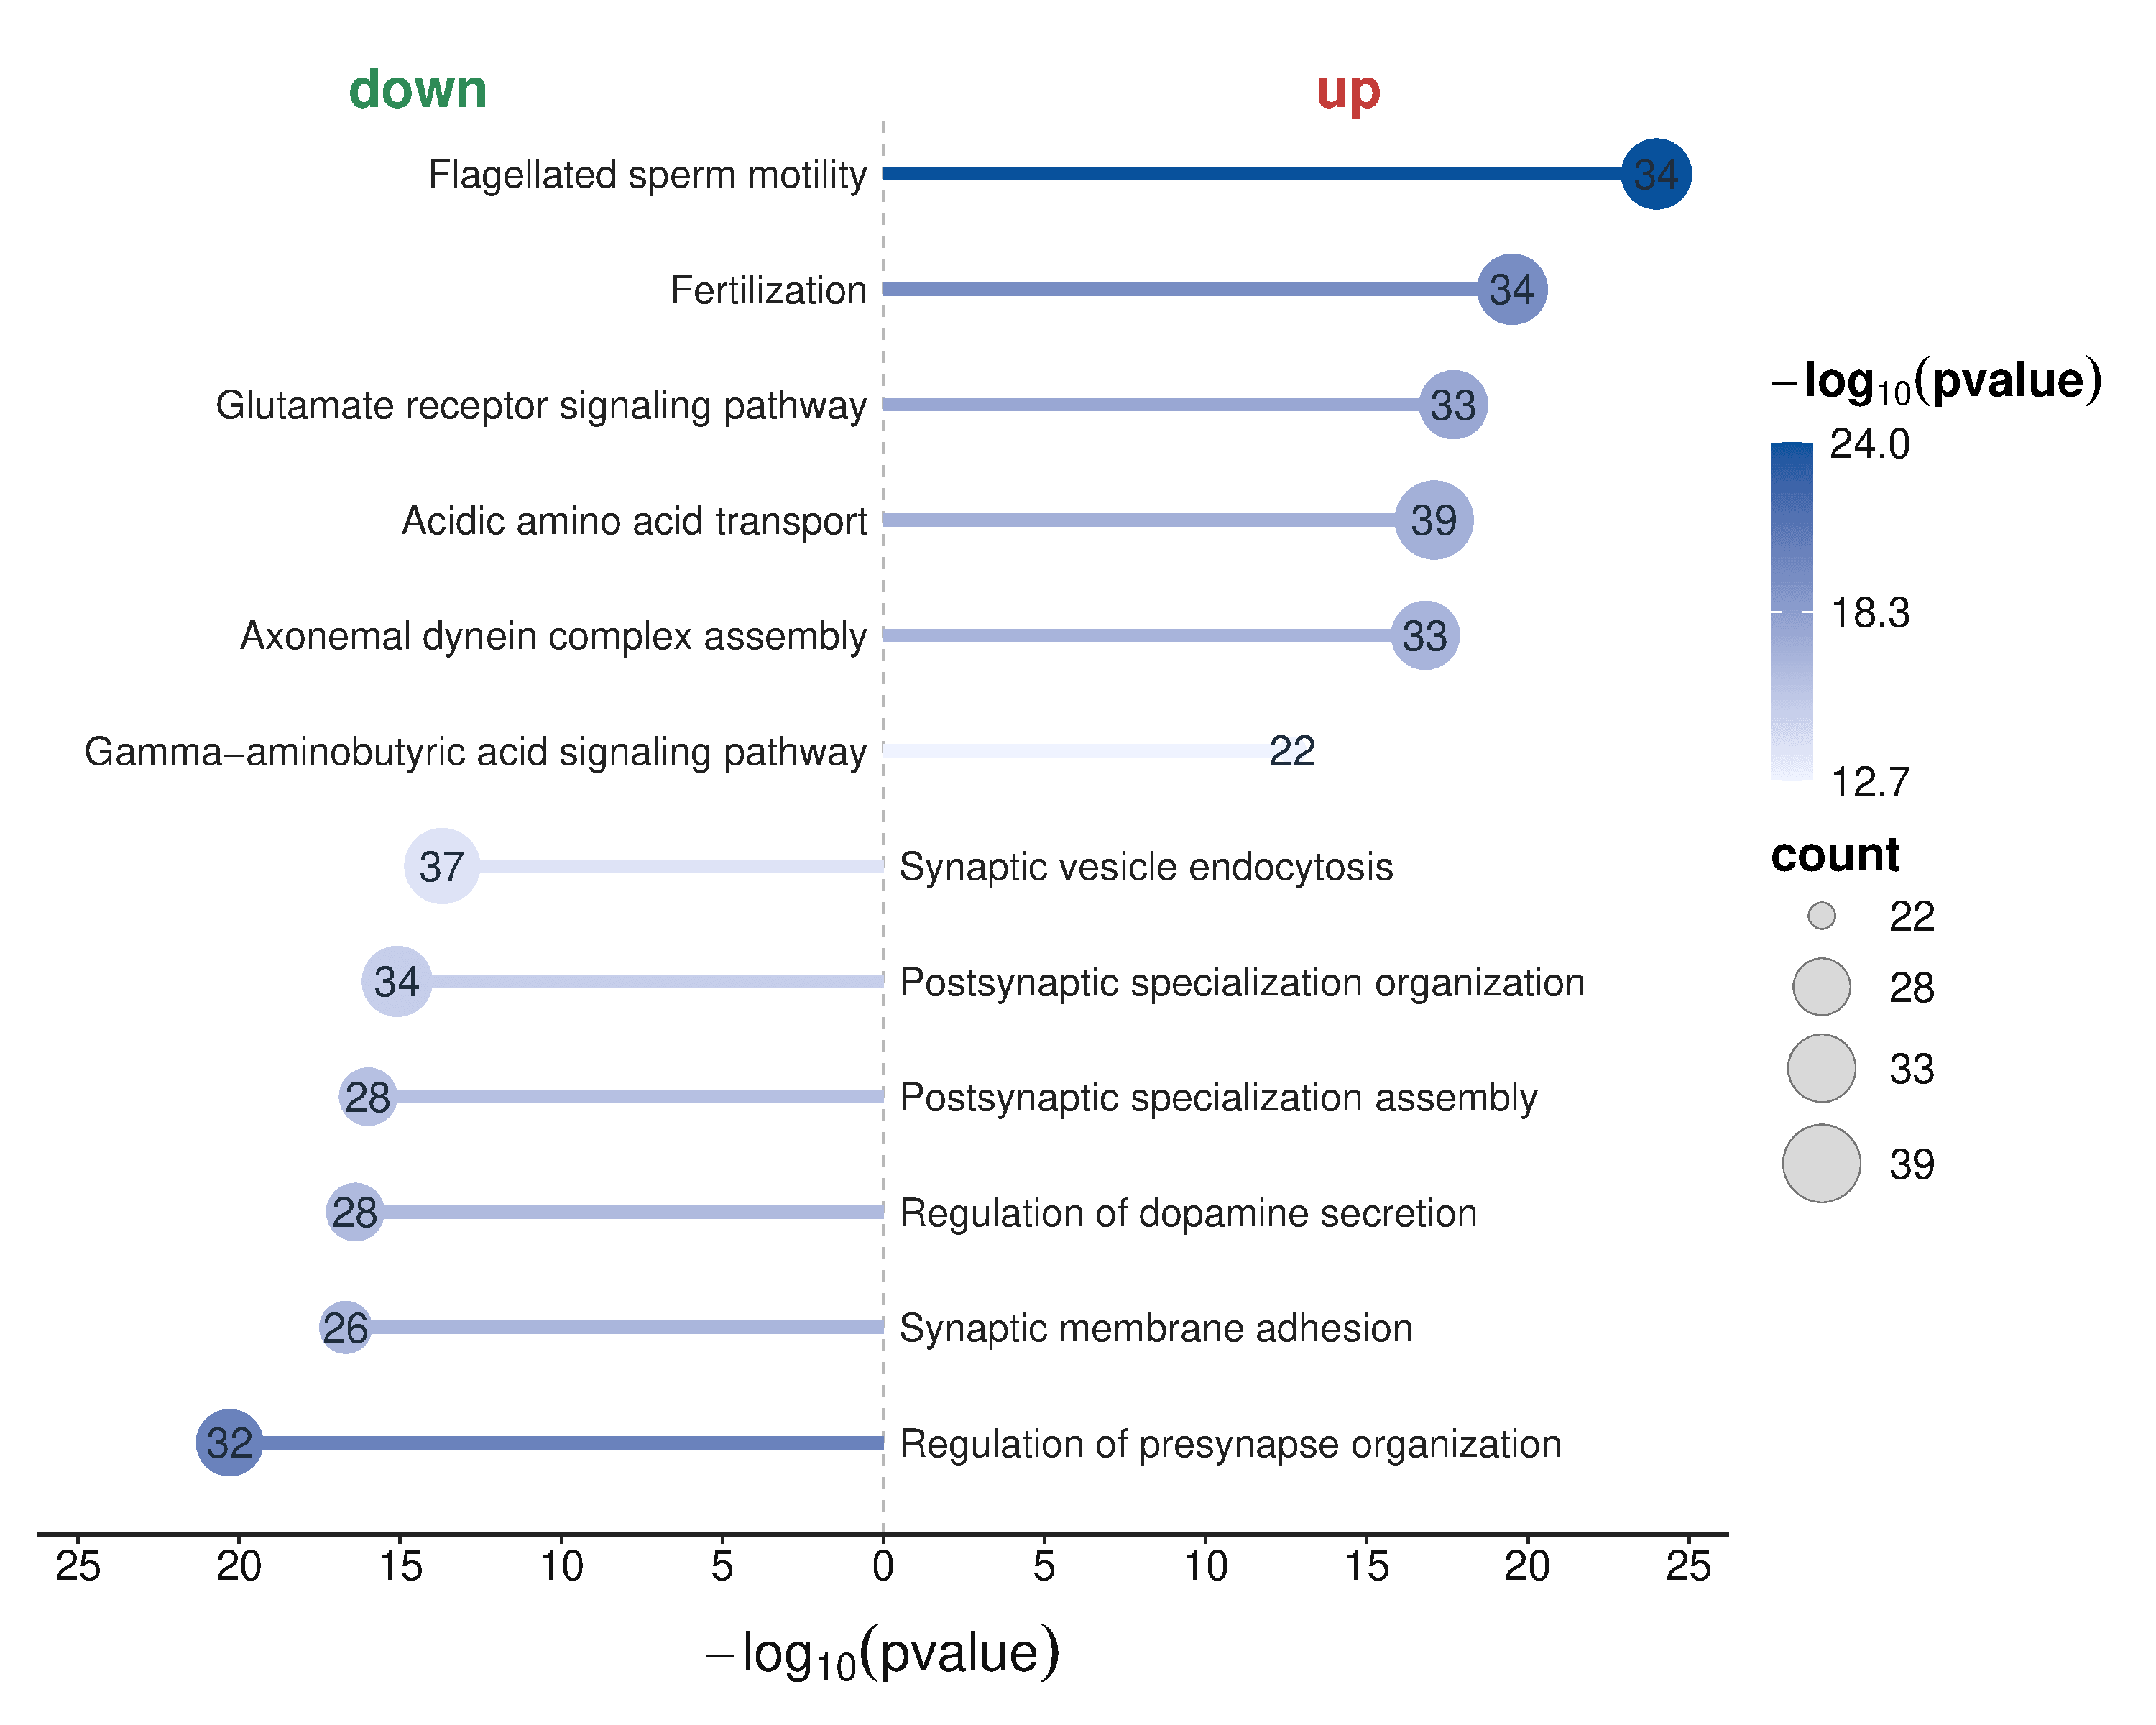
Acidic amino acid transport | 8.00E-18 | 39 | up
Axonemal dynein complex assembly | 1.50E-17 | 33 | up
Gamma-aminobutyric acid signaling pathway | 2.00E-13 | 22 | up
Synaptic vesicle endocytosis | 2.00E-14 | 37 | down
Postsynaptic specialization organization | 8.00E-16 | 34 | down
Postsynaptic specialization assembly | 1.00E-16 | 28 | down
Regulation of dopamine secretion | 4.00E-17 | 28 | down
Synaptic membrane adhesion | 2.00E-17 | 26 | down
Regulation of presynapse organization | 5.00E-21 | 32 | down

 |  |  |  | 注意：

 |  |  |  | 使用问题，或数据分析合作意向
 |  |  |  | 请微信扫码联系我们

